storage m.
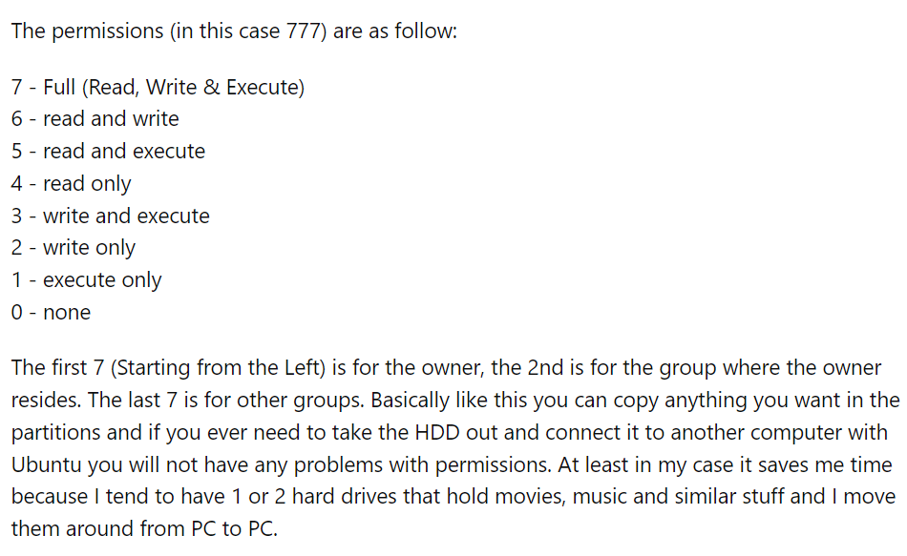
Storage Management (page 36)
# | คำสั่ง
 | ดูว่ามีไฟล์อะไรบ้าง | ls
1 | Create a file, rename, and delete. | touch name.txt
 |  | mv name.txt newName.txt
 |  | rm newName.txt
2 | Create a folder, rename, and delete. | mkdir name
 |  | mv name.txt newName.txt
 |  | rmdir newName
3 | Create a file and change permission so that only the owner can read. | touch name.txt
 |  | chmod 400 name.txt | เจ้าของอ่านได้คนเดียว
4 | Create a file and | touch name.txt
 | change both owner and group to "root". | sudo -i | เข้าไปที่ root ก่อน
 |  | chown root name.txt | เปลี่ยน permission owner ไปเป็น root
 |  | chgrp root name.txt | เปลี่ยน permission group ไปเป็น root
 | ออกจาก root | exit
 |  | Ctrl+D
5 | Create a folder and a symbolic link to the folder. | ln -s [source_folder] [link_location]
6 | Show disk space usage in human-readable format. | df -h | ข้อมูลใน harddisk
7 | Show file space (size) usage of /usr/share/dict/american-english in humanreadable format. | cd /usr/share/dict/ | เข้าไปที่ library ก่อน | ติดตั้ง package wamerican ด้วย
 |  | du -h american-english
8 | Check and repair file system on harddisk. | fsck /dev/sdal
9 | Search for a given filename. | cd / | ออกจาก library
 |  | cd Desktop/ | ไปที่ Desktop แทน
 |  | find / -name ชื่อไฟล์ -print

